Configuring the BAdI
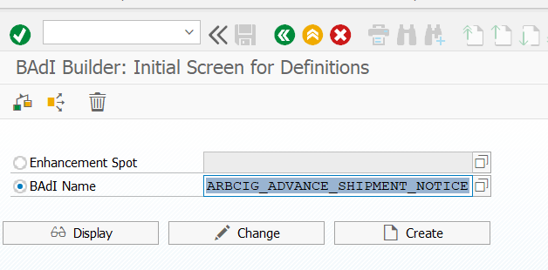
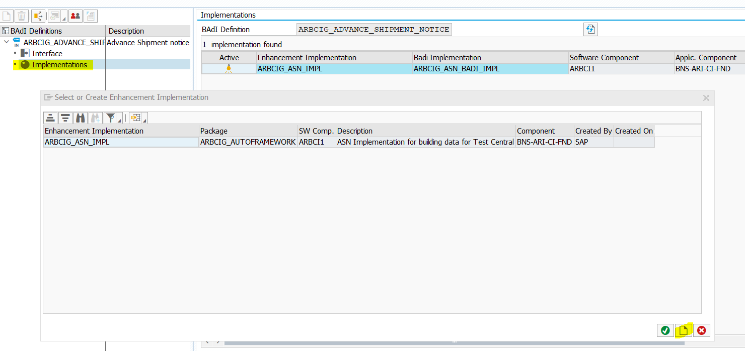
Configuring the BAdI for Ship Notices with Component Information

Context - se18
Customize the component information by using the methods, PRE_PROCESSING and POST_PROCESSING in the BAdI, ARBCIG_ADVANCE_SHIPMENT_NOTICE with the parameter, CT_LECOMP. If you are a customer using SAP ERP 6.0 EhP4 and above and want to implement the BAdI, use the structure, CT_LECOMP that is declared as Type Ref to DATA. While implementing the BAdI, ensure that you configure the following:

Procedure
1. Declare a field symbol of type, LECOMP_CONSUMPTION_T. <FT_LECOMP> TYPE LECOMP_CONSUMPTION_T
2. Assign the data from CT_LECOMP to the field symbol. ASSIGN CT_LECOMP->* TO <FT_LECOMP>.
3. Use the internal table <FT_LECOMP> to make any modifications to the components.

NOT CONFIGURED - Already in system
se18

Shipctrl comments_CrossRef
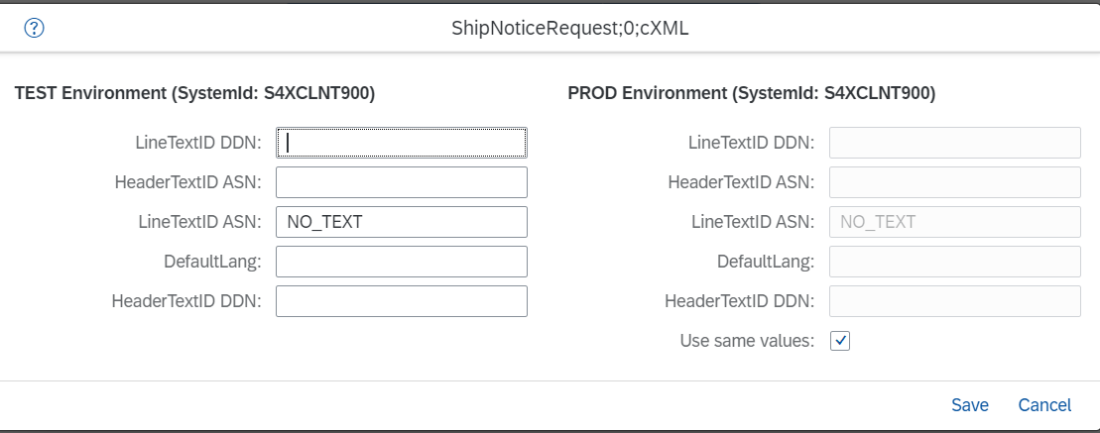
Configuring Shipcontrol Level Comments

Context
You can add shipcontrol level comments in Advance Ship Notice by performing the following configuration.

Procedure
1. Logon to SAP Integration Suite, managed gateway for spend management and SAP Business Network.
2. Select your project and click Edit.
3. Select Cross Reference Parameters.
4. Select ShipNoticeRequest.
5. In the ShipControl TextID ASN field, enter a text ID.
6. Click Save.

